Instruction_1
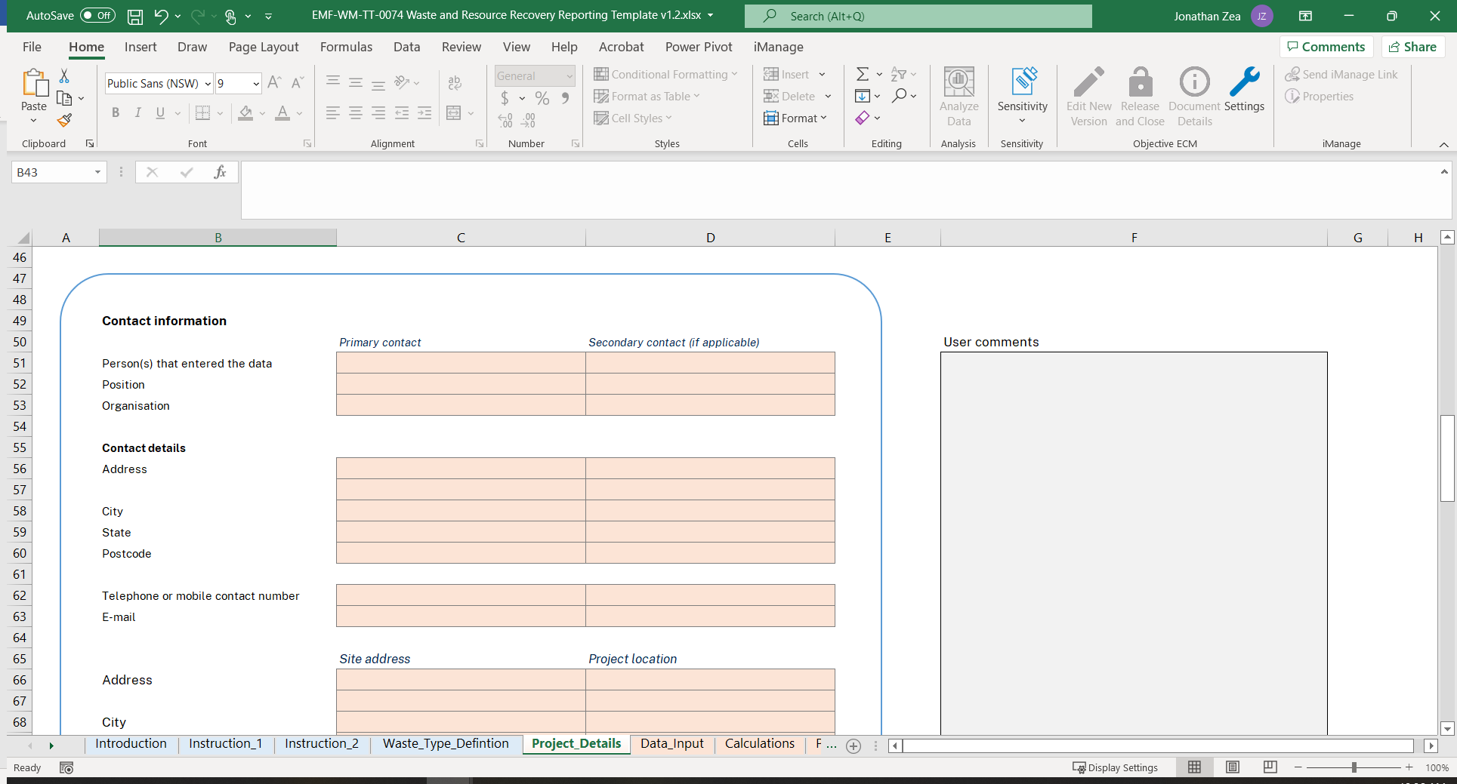
Instructions - Enter project information.

Step 1. Enter project information in highlighted cells.
Step 2. Proceed to data entry.
Step 3. Validate data and sign-off prior to TfNSW submission.

1. Enter project information - enter data/information in highlighted cells under project details, projection description and waste reduction target sections. | (Back to Top)
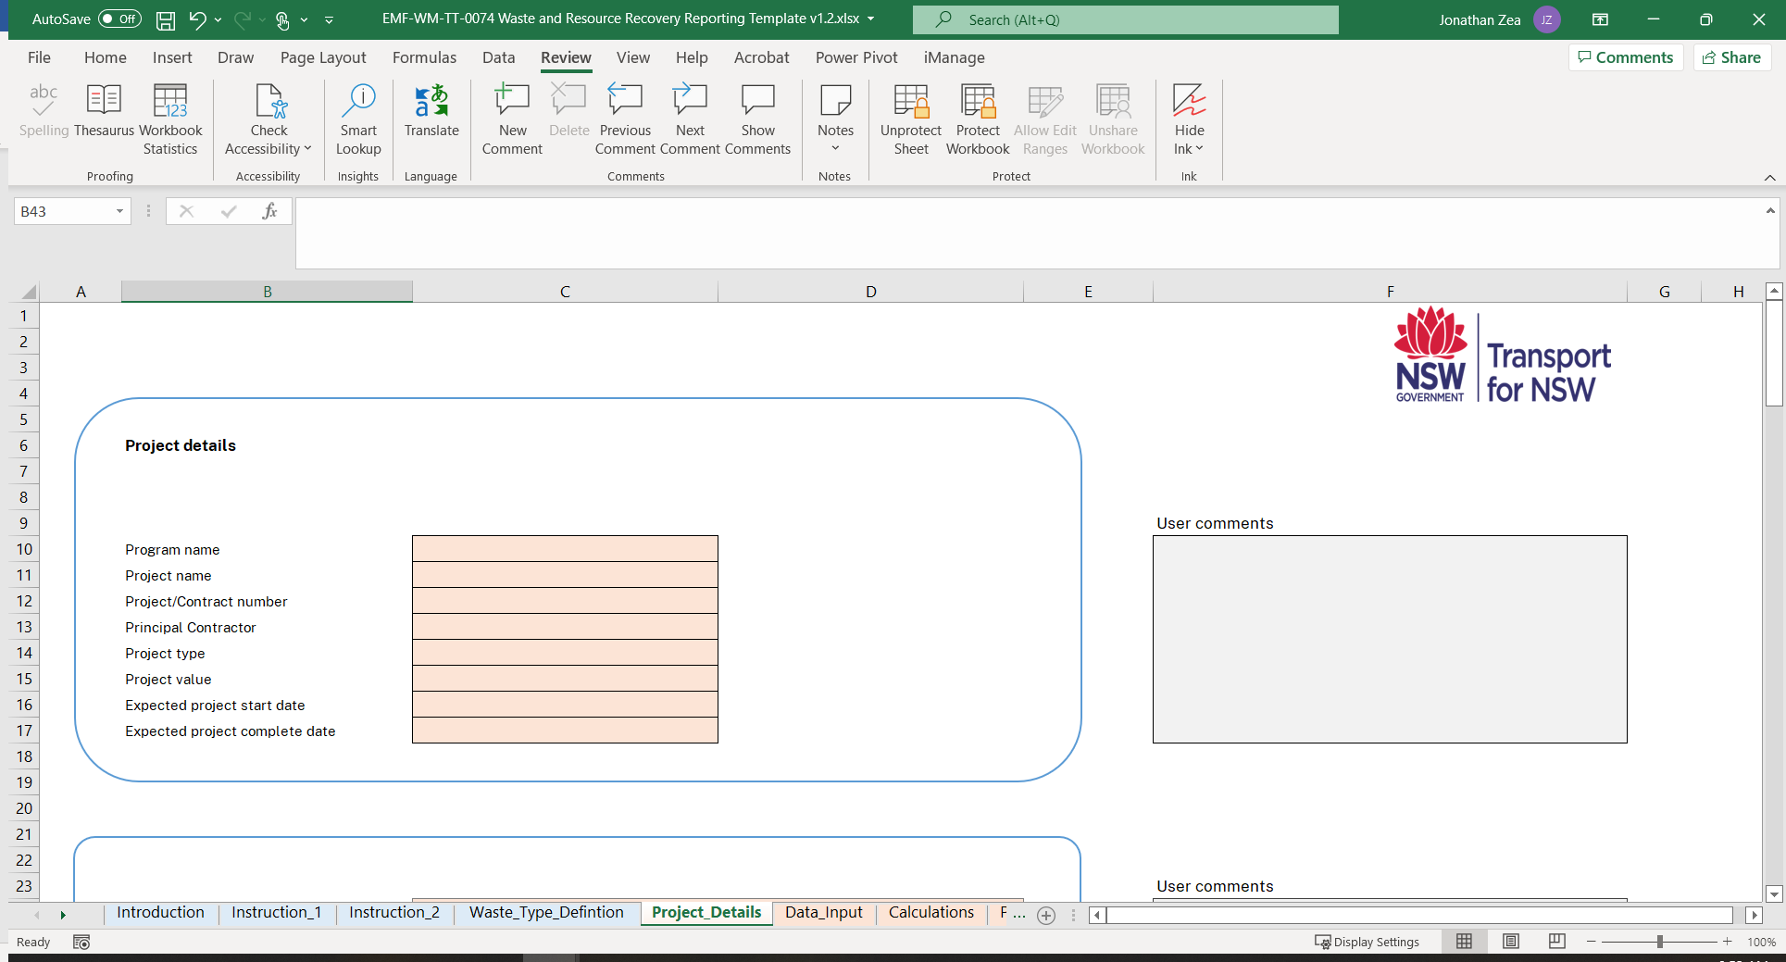

Enter project information/data in highlighted cells on Project_Details tab of this workbook.

2. Enter waste reduction targets. | (Back to Top)
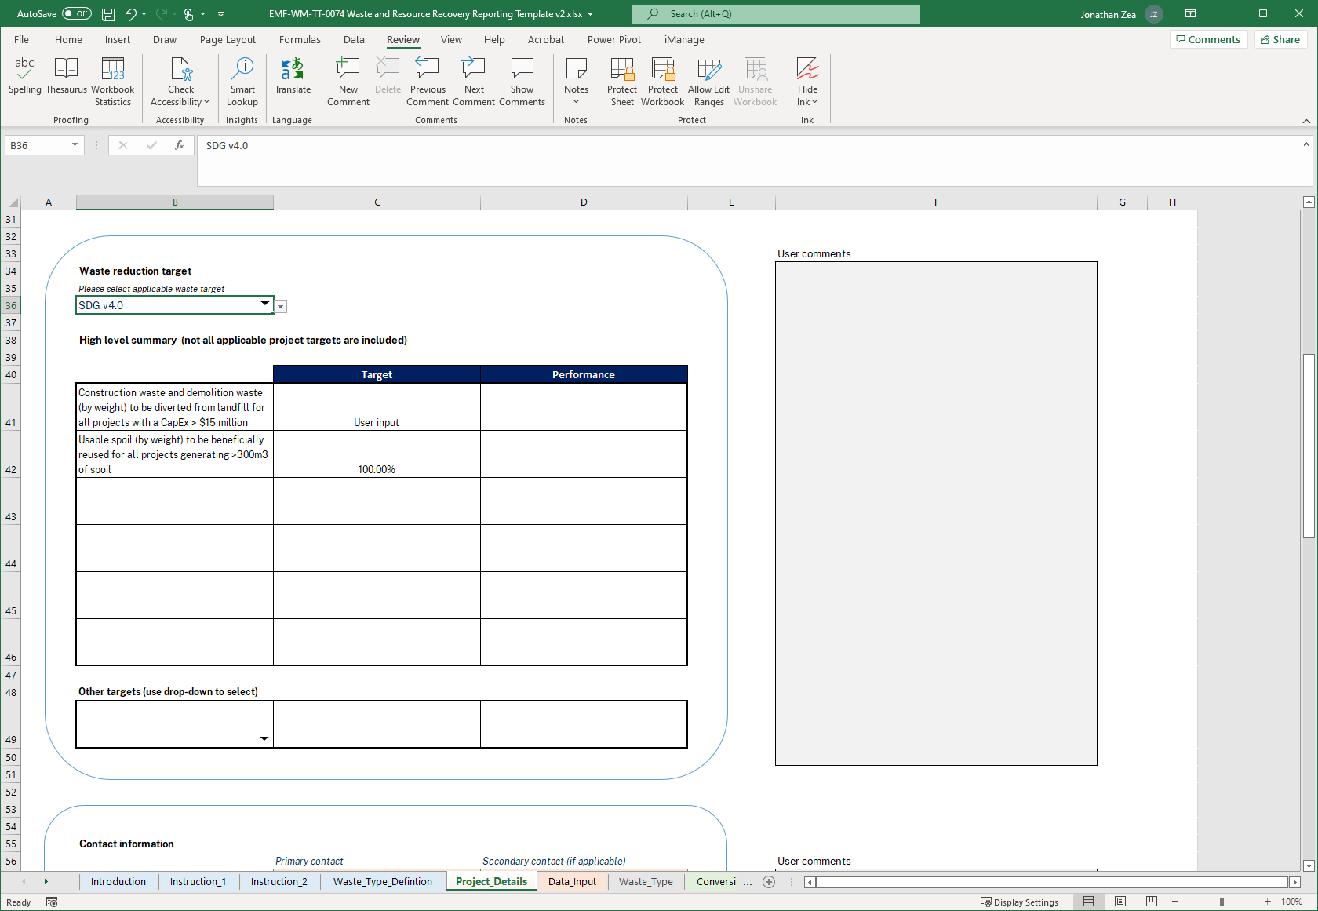

Select the waste reduction target that applies using the drop-down list and the requirements, targets and performance will be displayed in the table below.

Input the selected target in SDG v4 or ISC.

Select the waste type to see it's performance in being diverted from landfill in percentage.

3. Fill Contact Information and Data Validation section prior to submitting the workbook to TfNSW. | (Back to Top)

Instruction_2
Instructions - Enter waste data.

Enter waste data in worksheet called Data_Input
Note: 1. Waste volumes should not be double counted across multiple waste types (noting that in some cases, waste could meet the definition of multiple waste types).
2. Waste to be included in the reporting should only include material that is surplus to needs on site, and is being taken off-site for reuse, recycling or disposal.
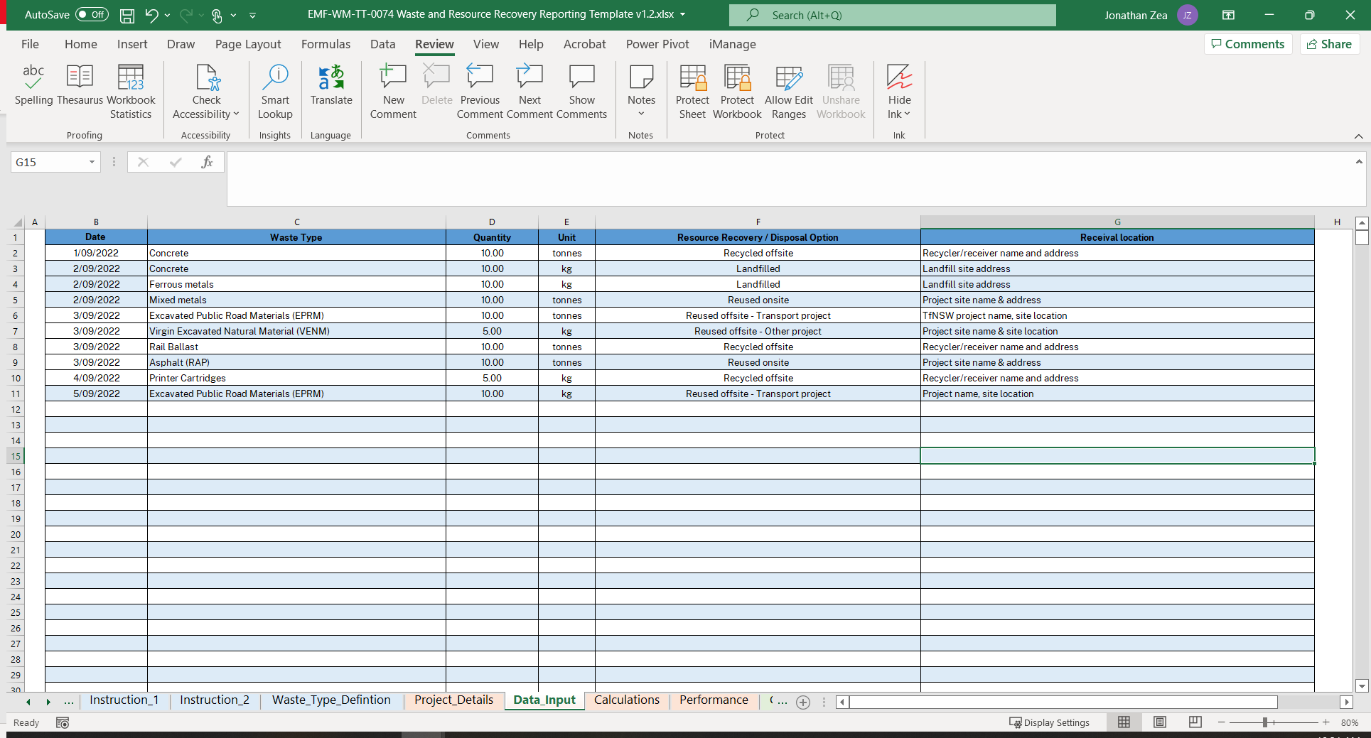

Note: Please leave row 2 blank if you want o do sorting later.

Step 1 - Enter dates.
Step 2 - Select the waste type from the drop-down list.
Step 5 - Select the resource recovery or the disposal option from the drop-down list.
Step 6 - Enter waste receival location (address for offsite recycling facility or project site).
Step 4 - Select the unit of measurefrom the drop-down list.
Step 3 - Enter the quantity of waste.

Project_Details
Project details

 |  |  | User comments
Program name |  | [enter primary project type]
Project name
Project/Contract number
Principal Contractor
Project type
Project value
Expected project start date |  | 0
Expected project complete date

 |  |  | User comments
Project description


 |  |  | User comments
Waste reduction target
Please select applicable waste target

High level summary (not all applicable project targets are included)

 | Target | Performance

Other targets (use drop-down to select)


 | 0

Contact information
 | Primary contact | Secondary contact (if applicable) | User comments
Person(s) that entered the data
Position
Organisation

Contact details
Address

City
State
Postcode

Telephone or mobile contact number
E-mail

 | Site address | Project location
Address

City
State
Postcode

 |  |  | User comments
Data validation

Data validated by | [Name]
 | [Position]
 | [Organisation]

Signature

 |  | Date signed

Sign-off by | [Name]
 | [Position]
 | [Organisation]

Signature

 |  | Date signed

 |  |  | TfNSW comments

Report validated and accepted by | [Name]
 | [Position]

Date accepted

